Sheet1
200.22
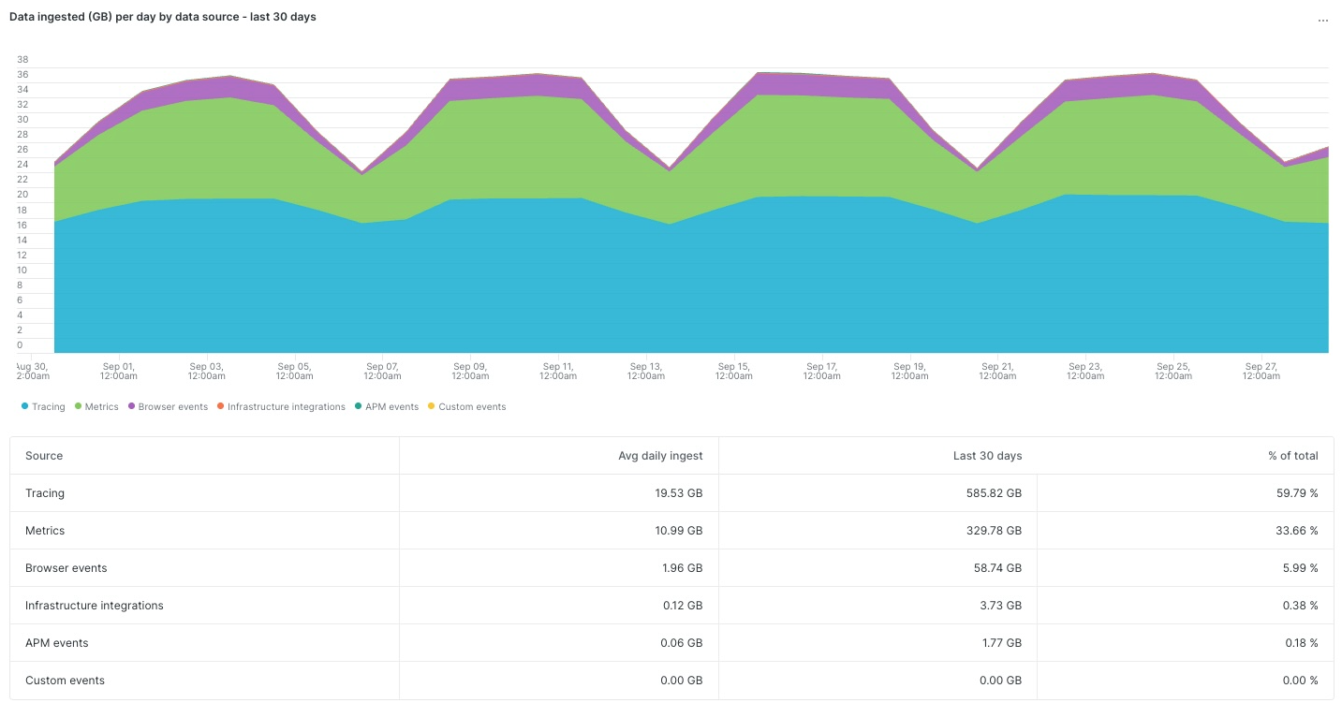

 | Metrics | 11 | Metrics
 | Infrastructure Integrations | 0 | Metrics
 | APM events | 0 | Traces
 | Logging | 0 | Logs
 | Tracing | 20 | Traces
 | Infrastructure Hosts | 0 | Metrics
 | Infrastrucure Processes | 0 | Metrics
 | Custom events | 0 | Logs
 | Serverless | 0 | Logs
 | Browser events | 2 | RUM

 | Logs | 0
 | Metrics | 11 | 11,000 | <- numseries
 | Traces | 20
 | RUM | 2

